Sheet1
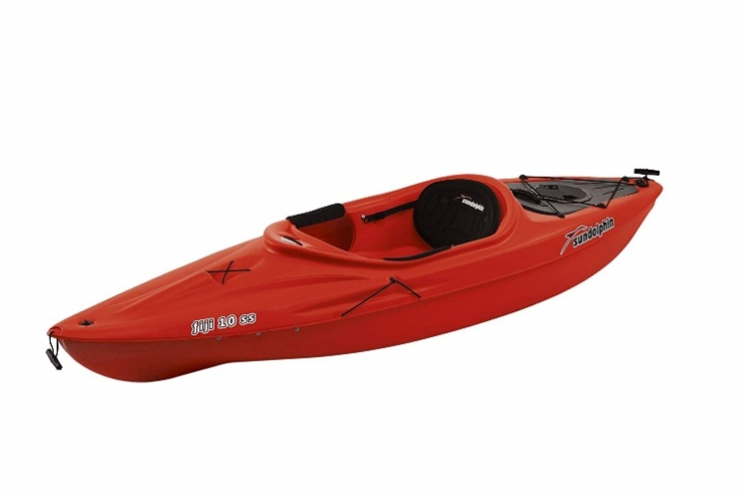
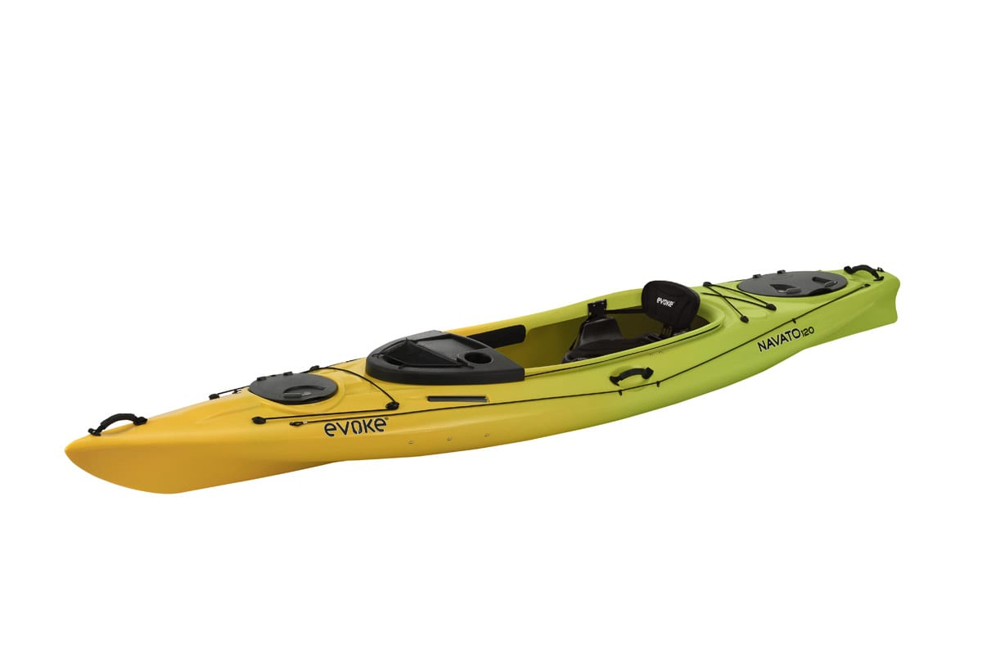
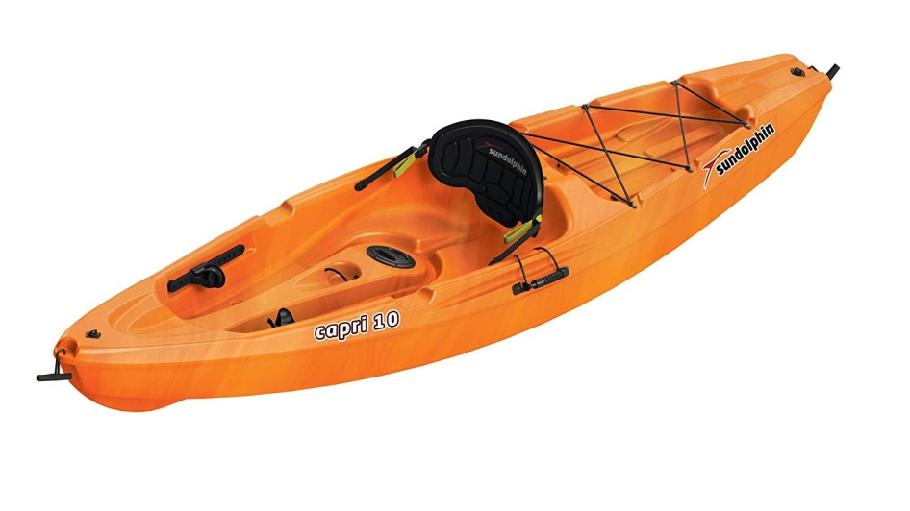
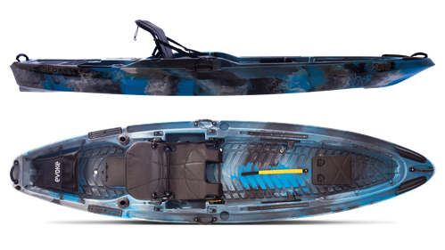
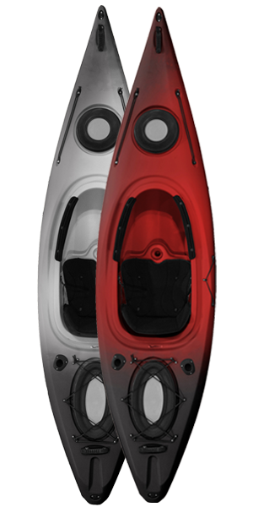
Truck # | Model/Description | Size (ft) | Qty | Retail | Retail Ext | Cost/Unit | Truck Load Cost
1 | SUNDOLPHIN Fiji 10 SS Sit-in Recreational Kayak w/Paddle- Red | 10 | 150 | $299.99 | $44,998.50 | $99.00 | $14,850.00
2 | EVOKE Navato 120 Sit in Recreational Kayak - Lemon Lime | 12 | 114 | $631.75 | $72,019.50 | $195.57 | $22,294.98
3 | SUNDOLPHIN Capri Sit-On Recreational Kayak (Orange Swirl, 10-Feet) | 10 | 108 | $349.99 | $37,798.92 | $120.00 | $12,960.00
4 | Future Beach Quantum Angler Kayak | 12 | 88 | $299.97 | $26,397.36 | $101.00 | $8,888.00
5 | Sequoia 120 Sit-On/Stand-Up Angler Kayak | 12 | 74 | $999.00 | $73,926.00 | $299.32 | $22,149.68
 |  |  |  |  | $255,140.28 |  | $81,142.66

